Sheet1
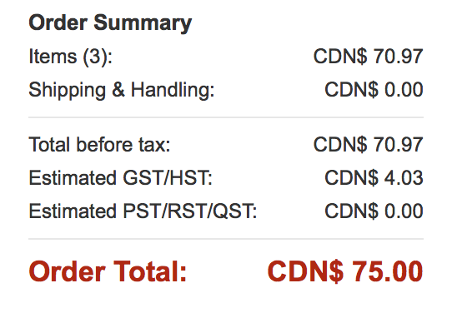
Bill of Materials | Price | Paid by:
Camera | $30.99 | Auda
Servos | $29.99 | Auda
Camera Wire | $9.99 | Auda
Ball joints | $11.47 | Auda
Home Depot | $12.95 | Auda
Wood | $7.50 | Ahmed
3D Print | $4.00 | Auda

Total | $106.89

